BQL
Market Cap Winners and Losers

52 Weeks from End Date | 2022-08-30
3 Weeks from End Date | 2023-08-08
End Date | 2023-08-29

let() | let(#52W_LOW=min(px_last(dates=range(2022-08-30,2023-08-29)).value); #3W_LOW=min(px_last(dates=range(2023-08-08,2023-08-29)).value); #52W_LOW_DATE=min(px_last(dates=range(2022-08-30,2023-08-29))).date+0d; #3W_PRICE_PCT=pct_chg(DROPNA(px_last(dates=range(2023-08-08,2023-08-29)).value)); #NET_CHG_MKT_CAP=NET_CHG(CUR_MKT_CAP(dates=range(2023-08-08,2023-08-29)).value); #IND=CLASSIFICATION_NAME(GICS,1).value;) |  |  |  |  |  |  | let(#52W_HIGH=max(px_last(dates=range(2022-08-30,2023-08-29)).value); #3W_HIGH=max(px_last(dates=range(2023-08-08,2023-08-29)).value); #52W_HIGH_DATE=max(px_last(dates=range(2022-08-30,2023-08-29))).date+0d; #3W_PRICE_PCT=pct_chg(DROPNA(px_last(dates=range(2023-08-08,2023-08-29)).value)); #NET_CHG_MKT_CAP=NET_CHG(CUR_MKT_CAP(dates=range(2023-08-08,2023-08-29)).value); #IND=CLASSIFICATION_NAME(GICS,1).value;)

get() | get(groupsort(#NET_CHG_MKT_CAP,order=asc),#IND,Name,#52W_LOW,#52W_LOW_DATE,#3W_PRICE_PCT) |  |  |  |  |  |  | get(groupsort(#NET_CHG_MKT_CAP,order=desc),#IND,Name,#52W_HIGH,#52W_HIGH_DATE,#3W_PRICE_PCT)

for() | for(Filter(members('SPX Index'), grouprank(#NET_CHG_MKT_CAP, order=asc)<=10)) |  |  |  |  |  |  | for(Filter(members('SPX Index'), grouprank(#NET_CHG_MKT_CAP, order=desc)<=10))
with() | with(currency=USD) |  |  |  |  |  |  | with(currency=USD)

 | ID | groupsort(#NET_CHG_MKT_CAP,order=asc) | #IND | Name | #52W_LOW | #52W_LOW_DATE | #3W_PRICE_PCT | ID | groupsort(#NET_CHG_MKT_CAP,order=desc) | #IND | Name | #52W_HIGH | #52W_HIGH_DATE | #3W_PRICE_PCT
 | JNJ UN Equity | -58,263,312,937.30 | Health Care | Johnson & Johnson | 151.05 | 2023-03-22 | -5.79 | NVDA UW Equity | 91,612,327,136.23 | Information Technology | NVIDIA Corp | 483.73001099 | 2023-08-29 | 8.30
 | AMZN UW Equity | -56,438,084,259.21 | Consumer Discretionary | Amazon.com Inc | 81.82 | 2022-12-28 | -3.91 | GOOGL UW Equity | 57,477,243,485.41 | Communication Services | Alphabet Inc | 135.79499817 | 2023-08-29 | 3.34
 | META UW Equity | -45,249,061,590.60 | Communication Services | Meta Platforms Inc | 88.91 | 2022-11-03 | -5.64 | GOOG UW Equity | 57,477,243,485.41 | Communication Services | Alphabet Inc | 136.55000305 | 2023-08-29 | 3.57
 | JPM UN Equity | -22,522,146,675.88 | Financials | JPMorgan Chase & Co | 101.96 | 2022-10-11 | -4.97 | AAPL UW Equity | 49,091,526,649.51 | Information Technology | Apple Inc | 196.45 | 2023-07-31 | 1.75
 | BAC UN Equity | -17,601,211,018.93 | Financials | Bank of America Corp | 26.97 | 2023-03-23 | -7.08 | LLY UN Equity | 28,575,894,457.19 | Health Care | Eli Lilly & Co | 553.92 | 2023-08-28 | 5.77
 | BRK/B UN Equity | -16,958,146,825.12 | Financials | Berkshire Hathaway Inc | 264 | 2022-10-12 | -2.08 | MSFT UW Equity | 15,676,828,662.03 | Information Technology | Microsoft Corp | 359.49 | 2023-07-18 | 0.65
 | UNH UN Equity | -15,849,080,928.29 | Health Care | UnitedHealth Group Inc | 447.75 | 2023-07-13 | -3.38 | MA UN Equity | 14,641,990,161.67 | Financials | Mastercard Inc | 408.73001099 | 2023-08-29 | 3.95
 | NKE UN Equity | -12,805,862,825.87 | Consumer Discretionary | NIKE Inc | 83.12 | 2022-09-30 | -7.66 | CSCO UW Equity | 14,446,079,294.06 | Information Technology | Cisco Systems Inc | 56.604999542 | 2023-08-29 | 6.68
 | AMD UW Equity | -12,424,511,433.01 | Information Technology | Advanced Micro Devices Inc | 55.94 | 2022-10-14 | -6.79 | ORCL UN Equity | 13,707,004,636.70 | Information Technology | Oracle Corp | 126.55 | 2023-06-15 | 4.38
 | SCHW UN Equity | -11,208,949,206.34 | Financials | Charles Schwab Corp/The | 47.37 | 2023-05-04 | -9.42 | V UN Equity | 10,010,769,499.15 | Financials | Visa Inc | 244.08999634 | 2023-08-29 | 2.01

Resources
 | Resources

Bloomberg

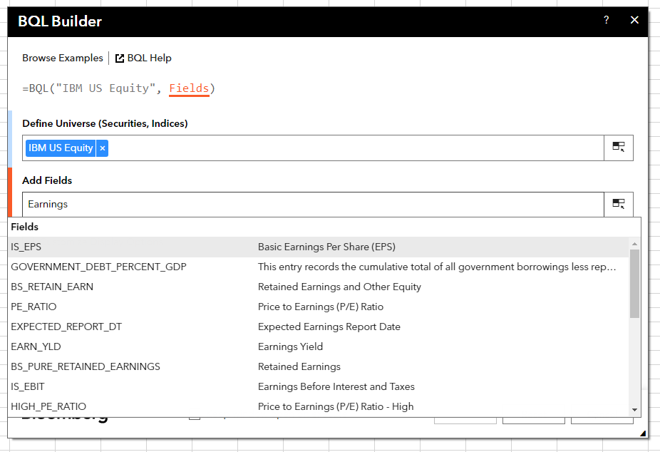
 | Bloomberg Ribbon: BQL Builder + BQL Query Editor
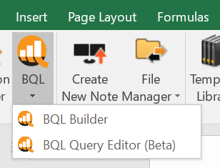

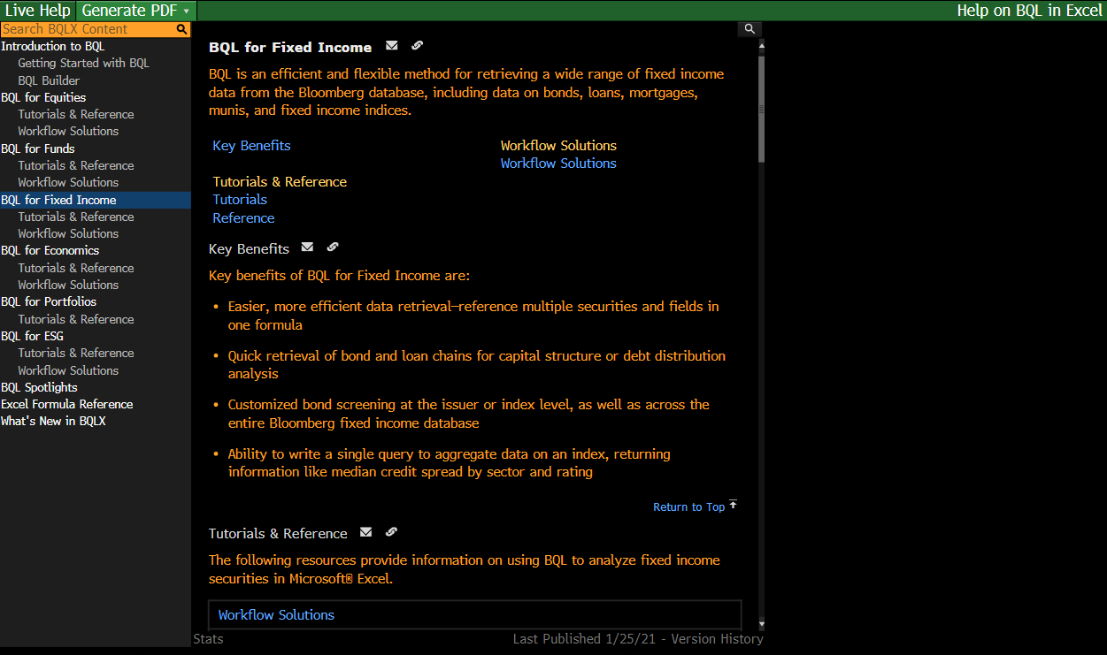
 | BQLX <GO> for HELP Page

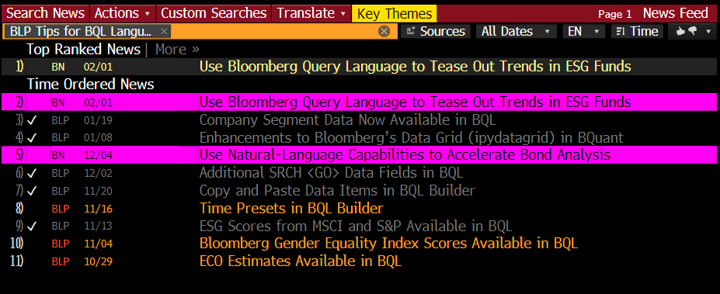
 | NI BLPBQL <GO>
 | Please subscribe it from "Actions" at the top -> Set Alert Delivery

